Sheet1
 |  | Document No. | Issue No. | Issue Date |  |  | Review and Replace Date |  | Authorised By
 |  | GFF385MC | 2 | 19.04.2023 |  |  | 01.03.2024 |  | Magda Shah
 |  | Document Title | CHICKEN SAMOSA (COOK) 160G
Document amendments reason for change |  | Product Code Changed |  | Page 1 of 1 |  | Previous Issue Date |  | 19.04.2023 | Uncontrolled copy unless signed original

FCSAC1-1R8TCO | COOK |  | CHICKEN SAMOSA (COOK) 160G | FROZEN

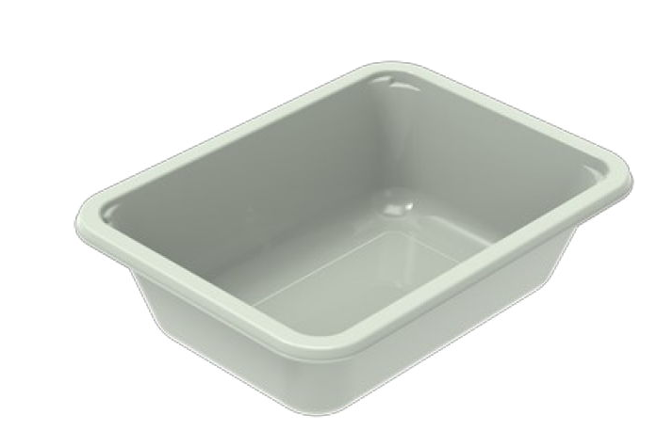 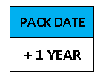 

PROCESS TO FOLLOW:
- Pack 4 Chicken samosas CHILLED in correct tray (NO GAS)
- Send to sleeving for sleeves & BB date application
- Once sleeves applied, product to be placed in a cage and sent to Blast Freezer - Dispatch for freezing

4
pieces

Tray: EVOLVE CPET 2171-1F FROST (PKRHP001-14) |  |  |  |  | 4 x Chicken Samosa (Cook) (GFF442R) 40g
Film: K Peel 3G 25µm (275mmX1000lm)(PKKMP001-04) |  |  |  |  | Total Weight: 160g
ALLERGY ALERT: WHEAT

